Contents
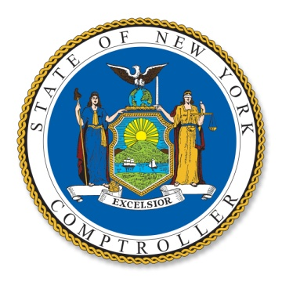

OFFICE OF THE NEW YORK STATE COMPTROLLER
THOMAS P. DiNAPOLI, STATE COMPTROLLER
JANUARY 2020

New York's Balance of Payments in the Federal Budget
Federal Fiscal Year 2018

TABLE OF CONTENTS

Balance of Payments
Return on Each $1 of Taxes Paid
Taxes Paid
Taxes Paid by Category
Expenditures
Direct Payments
Major Direct Payment Programs
Grants
Major Grant Programs
Procurement (Contracts)
Procurement by Major Agency
Wages and Salaries
Wages and Salaries by Type
Population

